Cashflow analysis
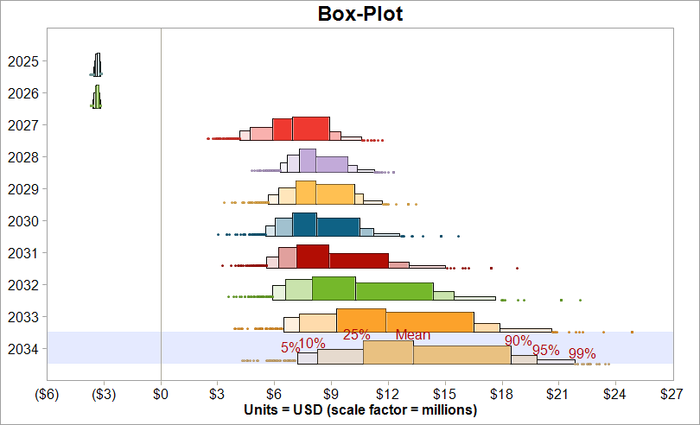
NPV (10%) in $M | #NAME? |  | NPV of a capital investment

Year | 2025 | 2026 | 2027 | 2028 | 2029 | 2030 | 2031 | 2032 | 2033 | 2034
Cash Flow

Total Revenue | $- | $- | #NAME? | #NAME? | #NAME? | #NAME? | #NAME? | #NAME? | #NAME? | #NAME?
Cost of Goods Sold | $- | $- | #NAME? | #NAME? | #NAME? | #NAME? | #NAME? | #NAME? | #NAME? | #NAME?
Gross Margin | $- | $- | #NAME? | #NAME? | #NAME? | #NAME? | #NAME? | #NAME? | #NAME? | #NAME?
Operating Expenses | #NAME? | #NAME? | #NAME? | #NAME? | #NAME? | #NAME? | #NAME? | #NAME? | #NAME? | #NAME?
Earnings Before Taxes | #NAME? | #NAME? | #NAME? | #NAME? | #NAME? | #NAME? | #NAME? | #NAME? | #NAME? | #NAME?
Tax Basis | #NAME? | #NAME? | #NAME? | #NAME? | #NAME? | #NAME? | #NAME? | #NAME? | #NAME? | #NAME?
Income Tax | #NAME? | #NAME? | #NAME? | #NAME? | #NAME? | #NAME? | #NAME? | #NAME? | #NAME? | #NAME?
Net Income | #NAME? | #NAME? | #NAME? | #NAME? | #NAME? | #NAME? | #NAME? | #NAME? | #NAME? | #NAME?
Sales Activity

Sales Price |  |  | #NAME? | #NAME? | #NAME? | #NAME? | #NAME? | #NAME? | #NAME? | #NAME?
Sales Volume |  |  | #NAME? | #NAME? | #NAME? | #NAME? | #NAME? | #NAME? | #NAME? | #NAME?
Production Expense

Product Development | #NAME? | #NAME? | #NAME? | $- | $- | $- | $- | $- | $- | $-
Capital Expenses | $125,000 | $145,000 | $55,000 | $35,000 | $- | $- | $- | $- | $- | $-
Overhead | $- | $10,000 | $20,000 | $20,000 | $20,000 | $20,000 | $20,000 | $25,000 | $25,000 | $25,000
Total Expenses | #NAME? | #NAME? | #NAME? | $55,000 | $20,000 | $20,000 | $20,000 | $25,000 | $25,000 | $25,000

Development cost spread | #NAME? | #NAME? | #NAME?
Dev cost correlation | #NAME? | #NAME? | #NAME?

Prod devt cost | #NAME?

Time to complete | #NAME?

Results tables
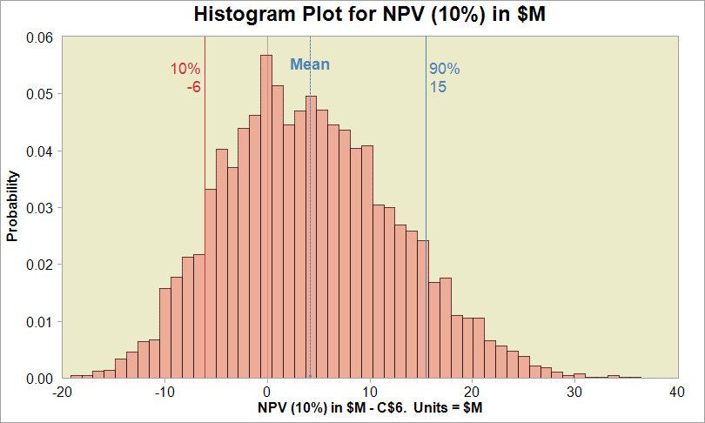
 | NPV $M | Mean | P05 | P50 | P95 |  | Scenario
 | Base | #NAME? | -6.66 | 4.66 | 19.30 |  | 1
 | Extra | #NAME? | -6.73 | 6.22 | 21.82 |  | 2

NET INCOME $M |  | 2025 | 2026 | 2027 | 2028 | 2029 | 2030 | 2031 | 2032 | 2033 | 2034 | Scenario
Base | P05 | #NAME? | #NAME? | #NAME? | #NAME? | #NAME? | #NAME? | #NAME? | #NAME? | #NAME? | #NAME? | 1
 | P50 | #NAME? | #NAME? | #NAME? | #NAME? | #NAME? | #NAME? | #NAME? | #NAME? | #NAME? | #NAME? | 1
 | P95 | #NAME? | #NAME? | #NAME? | #NAME? | #NAME? | #NAME? | #NAME? | #NAME? | #NAME? | #NAME? | 1
Extra | P05 | #NAME? | #NAME? | #NAME? | #NAME? | #NAME? | #NAME? | #NAME? | #NAME? | #NAME? | #NAME? | 2
 | P50 | #NAME? | #NAME? | #NAME? | #NAME? | #NAME? | #NAME? | #NAME? | #NAME? | #NAME? | #NAME? | 2
 | P95 | #NAME? | #NAME? | #NAME? | #NAME? | #NAME? | #NAME? | #NAME? | #NAME? | #NAME? | #NAME? | 2

